Assignment 1
ASSIGNMENT1: | Display unique customer's as well as Employees FullName,Address,City,Region,PostalCode,Country,Phone whose name starts with character 'A'.

Query: | SELECT Employees.FirstName+Employees.LastName AS FullName,Employees.Address,Employees.City,Employees.Region,Employees.PostalCode,Employees.Country,Employees.HomePhone AS Phone FROM Employees
 | WHERE Employees.FirstName+Employees.LastName LIKE 'A%'
 | UNION
 | SELECT Customers.ContactName,Customers.Address,Customers.City,Customers.Region,Customers.PostalCode,Customers.Country,Customers.Phone FROM Customers
 | WHERE Customers.ContactName LIKE 'A%';

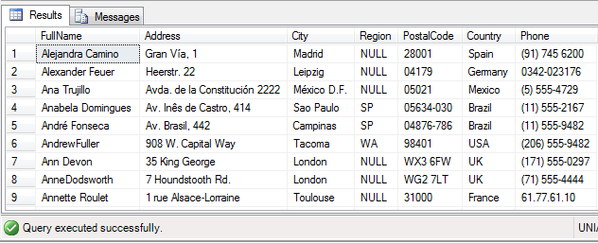
Output:

Assignment 2
ASSIGNMENT 2: | Display customer's as well as Employees FullName,Address,City,Region,PostalCode,Country,Phone who are living in india

Query: | SELECT Employees.FirstName+Employees.LastName AS FullName,Employees.Address,Employees.City,Employees.Region,Employees.PostalCode,Employees.Country,Employees.HomePhone AS Phone FROM Employees
 | WHERE Employees.Country='India'
 | UNION ALL
 | SELECT Customers.ContactName,Customers.Address,Customers.City,Customers.Region,Customers.PostalCode,Customers.Country,Customers.Phone FROM Customers
 | WHERE Customers.Country='India';

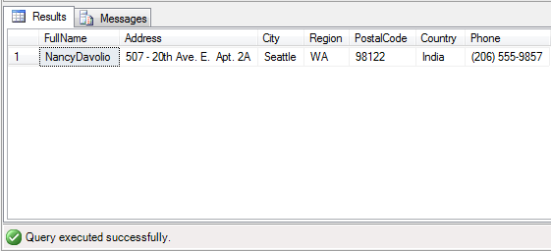
Output:

